Checklists
checklist | Wall Closure Checklist 1 Rough In [A]
 | Confirm area of work is accessible & acceptable to commence (If not comment below) | Pass/Fail / N/A
 | FCU installed in right location as per mechanical layout and the model number is in accordance with latest AC schdule | Pass/Fail / N/A
 | FCU installed as hight as possible with 5% slop tward the drain point | Pass/Fail / N/A
 | Thermostat control cabling has been installed | Pass/Fail / N/A
 | Thermostat location is correct as per RCP | Pass/Fail / N/A
 | Drains have been run to Tundish | Pass/Fail / N/A
 | Drains tested and witnessed by Boad Air | Pass/Fail / N/A
 | All wiring including interconection wiring and power from isolator to the condensers are roughed without defect | Pass/Fail / N/A
 | Refrigeration insulation is not damaged | Pass/Fail / N/A
 | Where refrigeration lines insulated and supported pipe clamps have been installed to avoid damage to insulation | Pass/Fail / N/A
 | Pipe projecting the wall cavities in balconies have been sealed | Pass/Fail / N/A
 | Refrigeration pipes are run through cavity without being kinked or damaged | Pass/Fail / N/A
 | Refrigeration pipes run is not exceeding the pipe length limits in VRV systems? | Pass/Fail / N/A
 | Vent boxes are sealed | Pass/Fail / N/A
 | Add divider using brackets inside Exhaust plenum boxes to separate toilet & kitchen exhaust? | Pass/Fail / N/A
section | Sign Off |  | Sign off required
 | Sign-Off Completed as per below (Pass once complete)
 | Contract/Subcontractor Assessor Sign Off
 | Builder Representative Sign Off
 | Inspection Date:
checklist | Ceiling Closure Checklist 1 Rough In [B]
 | Inspection Date:
 | Air Conditioning:
 | Confirm area of work is accessible & acceptable to commence (If not comment below) | Pass/Fail / N/A
 | Units all hung with isolation mounts and with 5% fall to drain point | Pass/Fail / N/A
 | Other services installed are not impeding access to fan coil | Pass/Fail / N/A
 | Wiring connected to indoor unit electrical box | Pass/Fail / N/A
 | Refrigeration pipes run is not exceeding the pipe length limits in VRV systems? | Pass/Fail / N/A
 | Condensate drainage is in correct location & height | Pass/Fail / N/A
 | Filter Track for return air have been installed at the back of unit | Pass/Fail / N/A
 | All flexible ducts connections to air terminlas and spigots have been air tight by using duct tape | Pass/Fail / N/A
 | All flexible ducts connections to air terminlas and spigots have been secured by using fixing ties/cables ties | Pass/Fail / N/A
 | Fresh air to apartment | Pass/Fail / N/A
 | Ventilation:
 | Inspection Date:
 | Fans installed within ceiling areas are in the correct location as per Mechanical Drawings | Pass/Fail / N/A
 | Fans Installed correctly with rubber isolation pads | Pass/Fail / N/A
 | All Flex has been run to correct location | Pass/Fail / N/A
 | All flex are hung independent of other services and supported by intact load spreaders | Pass/Fail / N/A
 | All flexible ducts have been mechanically secured to spigots and air terminals by using fixing ties | Pass/Fail / N/A
 | Butterfly dampers are installed on the PODs grille neck and they are in a fully opened position and air tight sealed | Pass/Fail / N/A
 | PVC sleeves has been installed in wet area walls | Pass/Fail / N/A
 | Vent boxes are intalled in correct location as per RCP and SEALED | Pass/Fail / N/A
 | PVC ducts have been hung and supported indicidually by using hanging straps | Pass/Fail / N/A
 | Access Panel:
 | Inspection Date:
 | Access Panel location has been marked on floor as per RCP | Pass/Fail / N/A
 | Access panel location allows sufficient access equipment | Pass/Fail / N/A
 | All other other services do not impede access | Pass/Fail / N/A
section | Sign Off |  | Sign off required
 | Sign-Off Completed as per below (Pass once complete)
 | Contract/Subcontractor Assessor Sign Off
 | Builder Representative Sign Off
 | Request Sign-Off(s) + Click to Add Signature(s)
 | Inspection Date:
checklist | Duct Installation Check List [C]
 | Are drawings on site the latest issue | Pass/Fail / N/A
 | Are plant and equipment location correct | Pass/Fail / N/A
 | Fan in the duct run has been installed | Pass/Fail / N/A
 | Model of the fan is correct as per latest Fan Schedule | Pass/Fail / N/A
 | Duct size and location correct | Pass/Fail / N/A
 | Material and gauge correct | Pass/Fail / N/A
 | Is correct support method being used - Risers are supported at each level. | Pass/Fail / N/A
 | Is correct jointing method being used | Pass/Fail / N/A
 | Are joints completed and cleated installed on flanges | Pass/Fail / N/A
 | Is correct joint sealant being used | Pass/Fail / N/A
 | Has the spacer been placed between the fan and the silencer, and the splitter orientation rotated by 90°? | Pass/Fail / N/A
 | Is 1 diameter of straight duct between pod attenuator and fan inlet been allowed to ensure impeller obtains even flow? | Pass/Fail / N/A
 | Is adequate distance between attenuator and fans been maintained? | Pass/Fail / N/A
 | Are the attenuator splitters in the plane of the bend ? | Pass/Fail / N/A
 | Are transitions close to attenuators gradual? | Pass/Fail / N/A
 | Is a settling duct between volume control dampers and attenuators allowed? | Pass/Fail / N/A
 | Are fire dampers installed and break away joint complete | Pass/Fail / N/A
 | Are flexible ducts installed, supported and connected to spigot by approved mthod using duct tape on internal core and cable tie on outer core | Pass/Fail / N/A
 | Are flexible connections to equipment sealed and aligned | Pass/Fail / N/A
 | Is ductwork insulation as per drawings | Pass/Fail / N/A
 | Is ductwork fire rating complete | Pass/Fail / N/A
 | Are all spigots installed and dampers fully open | Pass/Fail / N/A
 | Are all access panels for fire damper access installed and closed | Pass/Fail / N/A
 | Is ductwork installation complete | Pass/Fail / N/A
section | Sign Off |  | Sign off required
 | Sign-Off Completed as per below (Pass once complete)
 | Contract/Subcontractor Assessor Sign Off
 | Builder Representative Sign Off
 | Request Sign-Off(s) + Click to Add Signature(s)
 | Inspection Date:
checklist | Common Area Fit-Off Checklist [D]
 | Lobby supply grilles fitted | Pass/Fail / N/A
 | Lobby exhaust grilles fitted | Pass/Fail / N/A
 | Lobby Relief VCD is installed and the motirised actuator is fitted of and wired | Pass/Fail / N/A
 | Lobby relief grilles fitted | Pass/Fail / N/A
 | Stair pressurisation grilles in the stair shaft fitted | Pass/Fail / N/A
 | Stair pressurization VCD / OBD is installed | Pass/Fail / N/A
 | Carpark supply grilles fitted | Pass/Fail / N/A
 | Carpark supply VCD / OBD is installed and the motirised actuator is fitted of and wired (if applicable) | Pass/Fail / N/A
 | Carpark Exhaust grilles fitted | Pass/Fail / N/A
 | Carpark Exhaust VCD / OBD is installed and the motirised actuator is fitted of and wired (if applicable) | Pass/Fail / N/A
 | Garbage Exhaust grilles fitted | Pass/Fail / N/A
 | Garbage Exhaust VCD/ OBD is installed | Pass/Fail / N/A
 | General Exhaust grilles fitted | Pass/Fail / N/A
 | General Exhaust VCD / OBD is installed | Pass/Fail / N/A
 | Loading Dock grilles fitted | Pass/Fail / N/A
 | Loading Dock VCD / OBD is installed | Pass/Fail / N/A
 | Pump Room supply grilles fitted | Pass/Fail / N/A
 | Pump room supply VCD / OBD is installed | Pass/Fail / N/A
 | Toilet Exhaust grilles fitted c/w OBD | Pass/Fail / N/A
 | Bike room grilles fitted | Pass/Fail / N/A
 | Bike room VCD / OBD installed | Pass/Fail / N/A
 | Comms room supply grilles fitted | Pass/Fail / N/A
 | Comms room VCD / OBD installed | Pass/Fail / N/A
 | Main Switch room Supply grilles fitted | Pass/Fail / N/A
 | Main Switch room Supply VCD / OBD installed | Pass/Fail / N/A
 | Storage room Supply grilles fitted | Pass/Fail / N/A
 | Storage room Supply VCD/ OBD installed | Pass/Fail / N/A
 | Bin room grilles fitted | Pass/Fail / N/A
 | Bin room VCD / OBD installed | Pass/Fail / N/A

 | All fire dampers provided with an access panel as per mechanical drawings
 | Sign-Off Completed as per below (Pass once complete)
 | Inspection Date
 | Contract/Subcontractor Assessor Sign Off
 | Builder Representative Sign Off
 | Request Sign-Off(s) + Click to Add Signature(s)

checklist | Apartment Fit-Off Checklist [E]
 | AC grille to living room installed with no defect | Pass/Fail / N/A
 | AC grille to bedroom installed with no defect | Pass/Fail / N/A
 | Return Air grille installed as per RCP drawings | Pass/Fail / N/A
 | Range hood duct connected and taped to ensure air tight | Pass/Fail / N/A
 | AC Controller installed as per RCP drawings | Pass/Fail / N/A
 | Condensation drain is connected to Tundish point 10 mm air gap is provided at the connection point | Pass/Fail / N/A
 | Ensuite Exhasut fans installed and pluged in as per mechanical drawings | Pass/Fail / N/A
 | Toielt Exhasut fans installed and pluged in as per mechanical drawings | Pass/Fail / N/A
 | Ensuite exhaust grilles installed | Pass/Fail / N/A
 | Toilet exhaust grilles installed | Pass/Fail / N/A
 | Laundry Exhasut fans installed and pluged in as per mechanical drawings | Pass/Fail / N/A
 | Laundry exhaust grilles installed | Pass/Fail / N/A
 | Access panels placed as per drawings | Pass/Fail / N/A
 | Condenser unit installed, refrigeration pipes are connected , all gaps to insulation is sealed and pipes are not kinked | Pass/Fail / N/A
 | "External louvers installed all gaps sealed between plenum box and wall/ louver flange to wall , photo evidence provided for below 1.Box sealed internally and the gap between the box and wall is sealed 2.Louver flanges sealed to the external box " | Pass/Fail / N/A
 | Sign-Off Completed as per below (Pass once complete)
 | Inspection Date
 | Contract/Subcontractor Assessor Sign Off
 | Builder Representative Sign Off
 | Request Sign-Off(s) + Click to Add Signature(s)

checklist | A/C Checklist Commissioning [F]
 | Refrigeration lines have been pressurised and have maintained pressure for more than 24hrs? | Pass/Fail
 | Refrigerant lines have been vacuumed to 500 microns and maintained the vacuum? | Pass/Fail
 | Indoor unit drains have been terminated to the tundish point? | Pass/Fail
 | Outdoor unit drains have been terminated to the tundish point? | Pass/Fail
 | Indoor unit flare connection has been properly insulated with specified insulation? | Pass/Fail
 | Indoor unit drain connection point has been securely fastened and sealed? | Pass/Fail
 | A/C System Flows checked as per mechanical drawings | Pass/Fail
 | Sign-Off Completed as per below (Pass once complete)
 | Inspection Date
 | Contract/Subcontractor Assessor Sign Off
 | Builder Representative Sign Off
 | Request Sign-Off(s) + Click to Add Signature(s)
checklist | Ventilation Checklist Commissioning [G]
 | Fan has been tested and is operational? | Pass/Fail
 | Adequate flow has been achieved in bathroom 1? | Pass/Fail
 | Adequate flow has been achieved in ensuite? | Pass/Fail
 | Adequate flow has been achieved in laundry? | Pass/Fail
 | Range hood has been tested and is operational? | Pass/Fail
 | Sign-Off Completed as per below (Pass once complete)
 | Sign-Off Completed as per below (Pass once complete)
 | Inspection Date
 | Contract/Subcontractor Assessor Sign Off
 | Builder Representative Sign Off
 | Request Sign-Off(s) + Click to Add Signature(s)

checklist | Fire Damper Checklist [H]
 | Penetration details have been captured | Pass/Fail
 | Position damper centrally in penetration aperture as per system drawing with IBS backing rod and temporary supports or packers. | Pass/Fail
 | Galvanised steel casing positioned centrally within aperture is 0.7mm or greater gauge | Pass/Fail
 | Killargo fire rated mastic has been applied to the gaps between fire damper, casing perimeter & building element on both sides.Gaps between the fire damper and wall no greater than 25mm.Ensure fill depth is 50mm.No evidence of cracking. | Pass/Fail
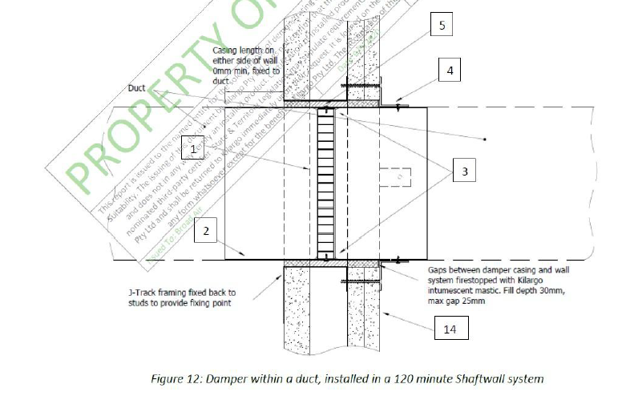
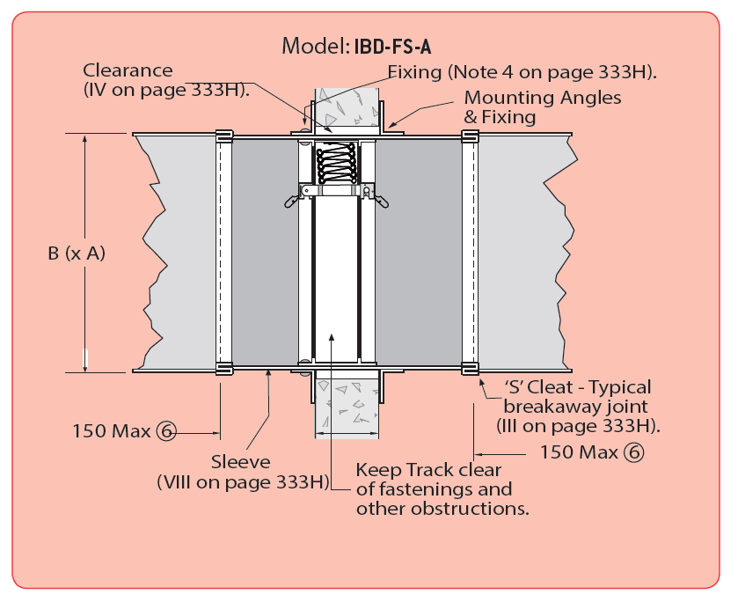
 | 0.7mm minimum steel angles at least twice the width of the penetration gap, fixed to damper casing with steel screws, bolts or pip rivets and fixed to wall with steel fixings at maximum 150mm centre spacing or 2 per side for casing lengths up to 250mm or 3 per side for casing lengths 251-400mm | Pass/Fail
 | Ductwork is connected to either side of the casing with nylon bolts on the flanges as per the AS1682.2 break away joint method. Bolts do not exceed an 8mm diameter. | Pass/Fail
 | Access panel is provided to conveniently access fire damper for visual and/or maintenance inspections. | Pass/Fail
 | Fire damper labelling in accordance with AS1682.2 has been placed and clearly identifies the fire damper | Pass/Fail
 | Pictures attached | Pass/Fail
 | Signature (Contract/Subcontractor Assessor) | Pass/Fail
 | Signature (Builder Representative) | Pass/Fail
 | Sign-Off Completed as per below (Pass once complete)
 | Pictures/Comments attached below
 | Notes/Additional Comments
 | Sign-Off Completed as per below (Pass once complete)
 | Contract/Subcontractor Assessor Sign Off
 | Builder Representative Sign Off
 | Request Sign-Off(s) + Click to Add Signature(s)

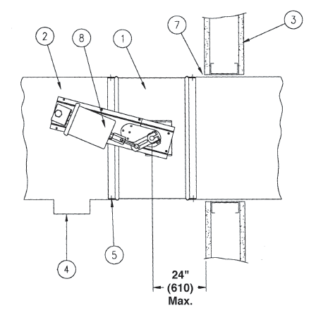
checklist | Smoke Damper Checklist [I]
 | Smoke damper must be placed in the duct work so the closed blades are with 610 mm of the smoke barrier and before any duct inlets or outlest (See photo attached) | Pass/Fail
 | When joining or fastening the damper to duct work, dampers shall be fastened with M6 bolts or M5 screws. Fasteners shall be spaced a maximum of 305 mm center to center with a minimum of two fastners per side. | Pass/Fail
 | Smoke dampers must be sealed between the damper frames and duct work. The sealant shall be pressed in place to dispel any air and shall be applied to one side of the damper's face. Use the minimum amount of the material to completely seal the joint. | Pass/Fail
 | Access Panel for Actuator and wiring according code and regulations
 | Sign-Off Completed as per below (Pass once complete)
 | Sign-Off Completed as per below (Pass once complete)
 | Inspection Date
 | Contract/Subcontractor Assessor Sign Off
 | Builder Representative Sign Off
 | Request Sign-Off(s) + Click to Add Signature(s)

checklist | Lobby Area [J]
 | Inspection Date:
 | Other services installed are not impeding access to fan coil | Pass/Fail / N/A
 | All Ductwork passing block walls are flushed and sealed | Pass/Fail / N/A
 | Transfer duct installed at Accessible toilet wall and penetration flushed and sealed | Pass/Fail / N/A
 | Where passing the block wall flexible ducts has been equipped with Sleeve and penetration sealed | Pass/Fail / N/A
 | Refrigerant pipes passing through fire rarted walls are sealed at wall penetratiobn by using approved material | Pass/Fail / N/A
checklist | Ducting-Common Area [K]
 | Riser | Pass/Fail / N/A
 | Are drawings on site the latest issue | Pass/Fail / N/A
 | Are plant and equipment location correct | Pass/Fail / N/A
 | Duct size and location correct | Pass/Fail / N/A
 | Material and gauge correct | Pass/Fail / N/A
 | Is correct support method being used - Maximum vertical support to be 3600mm using AS 4254 approved method | Pass/Fail / N/A
 | Is correct Joining method being used | Pass/Fail / N/A
 | Are joints completed and cleated installed on flanges | Pass/Fail / N/A
 | Is correct joint sealant being used | Pass/Fail / N/A
 | Is ductwork installation complete | Pass/Fail / N/A
 | Sign-Off Completed as per below (Pass once complete)
 | Inspection Date
 | Contract/Subcontractor Assessor Sign Off
 | Builder Representative Sign Off
 | Request Sign-Off(s) + Click to Add Signature(s)

checklist | Jet Fans [L]
 | Are drawings on site the latest issue? | Pass/Fail / N/A
 | Are plant and equipment location installed correctly as per drawings? | Pass/Fail / N/A
 | Model of the fan is correct as per latest Fan Schedule? | Pass/Fail / N/A
 | Is the fan attached to the ceiling structure of the carpark with hardware appropriate to the size and weight of the units (Typically 8mm fasteners)? | Pass/Fail / N/A
 | Are the correct anti-vibration mounts being used ? | Pass/Fail / N/A
 | Is the Fan discharge parallel to beams? | Pass/Fail / N/A
 | Do we have sufficient Clearance? | Pass/Fail / N/A
 | Is the obstruction too close? | Pass/Fail / N/A
 | Is the fan installation site coordinated between trades to avoid clashes with pipe work, signage and other obstructions? | Pass/Fail / N/A
section | Sign Off |  | Sign off required
 | Sign-Off Completed as per below (Pass once complete)
 | Contract/Subcontractor Assessor Sign Off
 | Builder Representative Sign Off
 | Request Sign-Off(s) + Click to Add Signature(s)
 | Inspection Date:

checklist | Ventilation Checklist Commissioning [M]
 | Visual survey of installed area. Are all items secured, compliant and no loose elements? | Pass/Fail/NA
 | Fan has been tested and is operational? | Pass/Fail/NA
 | Adequate flow has been achieved through the grille / outlet? | Pass/Fail/NA
 | Does the fan comply to work with control strategy as per the spec? | Pass/Fail/NA

 | Sign-Off Completed as per below (Pass once complete) |  | Sign off required
 | Sign-Off Completed as per below (Pass once complete)
 | Inspection Date
 | Contract/Subcontractor Assessor Sign Off
 | Builder Representative Sign Off
 | Request Sign-Off(s) + Click to Add Signature(s)

checklist | Fire Damper Checklist [N]
 | Penetration details have been captured | Pass/Fail
 | Position damper centrally in penetration aperture as per system drawing with temporary supports or packers. | Pass/Fail
 | Fasten 0.7mm thick steel mounting angles or brackets to damper with steel self drilling screws or steel pop rivets and to the building element with appropriate mechanical fixings at 200mm centre spacing or 1 per side as shown on system drawing. | Pass/Fail
 | Killargo fire rated mastic has been applied to the gaps between fire damper & building element on both sides.Gaps between the fire damper and wall no greater than 25mm.Ensure fill depth is 50mm. No evidence of cracking. | Pass/Fail
 | Ensure convenient access to fire damper for visual and/or maintenance inspections is provided. | Pass/Fail
 | Fire damper labelling in accordance with AS1682.2 has been placed and clearly identifies the fire damper | Pass/Fail
 | Pictures attached | Pass/Fail
 | Signature (Contract/Subcontractor Assessor) | Pass/Fail
 | Signature (Builder Representative) | Pass/Fail
 | Sign-Off Completed as per below (Pass once complete)
 | Pictures/Comments attached below
 | Notes/Additional Comments
 | Sign-Off Completed as per below (Pass once complete)
 | Contract/Subcontractor Assessor Sign Off
 | Builder Representative Sign Off
 | Request Sign-Off(s) + Click to Add Signature(s)

checklist | Fire Damper Checklist [O]
 | Penetration details have been captured | Pass/Fail
 | Does the fire damper mounting frame completely penetrates the wall or slab into which it is installed? | Pass/Fail
 | Does the damper mounting frame retained either, on both sides by means of flanges butted against the face of the wall or slab and fixed to the mounting frame or on one side by one flange only, fixed to the wall and damper frame allowing the damper body to expand without distortion to the blades? | Pass/Fail
 | Does the penetration for the fire damper have clearance on all sides equal to half the width of the flange used to retain the damper frame? | Pass/Fail
 | Is this clearance filled with an approved non-combustible compressible material such as rockwool to the full thickness of te wall or slab involved? | Pass/Fail
 | Does the method of attaching ductwork to fire damper ensure that the damper remains functional if the ductwork is damaged in any way and must allow the ductwork to fall away? | Pass/Fail
 | Access panel is provided to conveniently access fire damper for visual and/or maintenance inspections. | Pass/Fail
 | Fire damper labelling in accordance with AS1682.2 has been placed and clearly identifies the fire damper | Pass/Fail
 | Pictures attached | Pass/Fail
 | Signature (Contract/Subcontractor Assessor) | Pass/Fail
 | Signature (Builder Representative) | Pass/Fail
 | Sign-Off Completed as per below (Pass once complete)
 | Pictures/Comments attached below
 | Notes/Additional Comments
 | Sign-Off Completed as per below (Pass once complete)
 | Contract/Subcontractor Assessor Sign Off
 | Builder Representative Sign Off
 | Request Sign-Off(s) + Click to Add Signature(s)

checklist | Wall Closure Checklist 2 Rough In [P]
 | Confirm area of work is accessible & acceptable to commence (If not comment below) | Pass/Fail / N/A
 | FCU installed in right location as per mechanical layout and the model number is in accordance with latest AC schdule | Pass/Fail / N/A
 | FCU installed as hight as possible with 5% slope towards the drain point | Pass/Fail / N/A
 | Thermostat control cabling has been installed | Pass/Fail / N/A
 | Thermostat location is correct as per RCP | Pass/Fail / N/A
 | Drains have been run to Tundish | Pass/Fail / N/A
 | Drains tested and witnessed by Boad Air | Pass/Fail / N/A
 | All wiring including interconection wiring and power from isolator to the condensers are roughed without defect | Pass/Fail / N/A
 | Refrigeration insulation is not damaged | Pass/Fail / N/A
 | Where refrigeration lines insulated and supported pipe clamps have been installed to avoid damage to insulation | Pass/Fail / N/A
 | Pipe projecting the wall cavities in balconies have been sealed | Pass/Fail / N/A
 | Refrigeration pipes are run through cavity without being kinked or damaged | Pass/Fail / N/A
 | Refrigeration pipes run is not exceeding the pipe length limits in VRV systems? | Pass/Fail / N/A
 | Is the Ductwork to FCU insulated & correct size? Is ductwork installed & sealed correctly? | Pass/Fail / N/A
 | Is flex duct running through walls squashed? | Pass/Fail / N/A
 | Is correct size & insulation of flex duct run from ducted FCUs to the grille terminals? | Pass/Fail / N/A
 | Are the uniboots for Supply Grille installed & sealed correctly? | Pass/Fail / N/A
 | Vent boxes are sealed | Pass/Fail / N/A
 | Add divider using brackets inside Exhaust plenum boxes to separate toilet & kitchen exhaust? | Pass/Fail / N/A
section | Sign Off |  | Sign off required
 | Sign-Off Completed as per below (Pass once complete)
 | Contract/Subcontractor Assessor Sign Off
 | Builder Representative Sign Off
 | Inspection Date:
checklist | Ceiling Closure Checklist 2 Rough In [Q]
 | Inspection Date:
 | Air Conditioning:
 | Confirm area of work is accessible & acceptable to commence (If not comment below) | Pass/Fail / N/A
 | Units all hung with isolation mounts and with 5% fall to drain point | Pass/Fail / N/A
 | Other services installed are not impeding access to fan coil | Pass/Fail / N/A
 | Wiring connected to indoor unit electrical box | Pass/Fail / N/A
 | Refrigeration pipes run is not exceeding the pipe length limits in VRV systems? | Pass/Fail / N/A
 | Condensate drainage is in correct location & height | Pass/Fail / N/A
 | Filter Track for return air have been installed at the back of unit | Pass/Fail / N/A
 | All flexible ducts connections to air terminlas and spigots have been air tight by using duct tape | Pass/Fail / N/A
 | All flexible ducts connections to air terminlas and spigots have been secured by using fixing ties/cables ties | Pass/Fail / N/A
 | Are correct concrete fixings used for ductwork? | Pass/Fail / N/A
 | Is the duct joining/fixing undertaken correctly? | Pass/Fail / N/A
 | Are the correct /approved spigot sizes installed? | Pass/Fail / N/A
 | Is correct size & voltage for zone dampers installed for living & bedrooms served by ducted fcus? | Pass/Fail / N/A
 | Is correct size BTOs & Y pieces used? | Pass/Fail / N/A
 | Fresh air to apartment | Pass/Fail / N/A
 | Ventilation:
 | Inspection Date:
 | Fans installed within ceiling areas are in the correct location as per Mechanical Drawings | Pass/Fail / N/A
 | Fans Installed correctly with rubber isolation pads | Pass/Fail / N/A
 | All Flex has been run to correct location | Pass/Fail / N/A
 | All flex are hung independent of other services and supported by intact load spreaders | Pass/Fail / N/A
 | All flexible ducts have been mechanically secured to spigots and air terminals by using fixing ties | Pass/Fail / N/A
 | Butterfly dampers are installed on the PODs grille neck and they are in a fully opened position and air tight sealed | Pass/Fail / N/A
 | PVC sleeves has been installed in wet area walls | Pass/Fail / N/A
 | Vent boxes are intalled in correct location as per RCP and SEALED | Pass/Fail / N/A
 | PVC ducts have been hung and supported indicidually by using hanging straps | Pass/Fail / N/A
 | Access Panel:
 | Inspection Date:
 | Access Panel location has been marked on floor as per RCP | Pass/Fail / N/A
 | Access panel location allows sufficient access equipment | Pass/Fail / N/A
 | All other other services do not impede access | Pass/Fail / N/A
section | Sign Off |  | Sign off required
 | Sign-Off Completed as per below (Pass once complete)
 | Contract/Subcontractor Assessor Sign Off
 | Builder Representative Sign Off
 | Request Sign-Off(s) + Click to Add Signature(s)
 | Inspection Date:

Flexible Duct Installation
